Standard Deviation
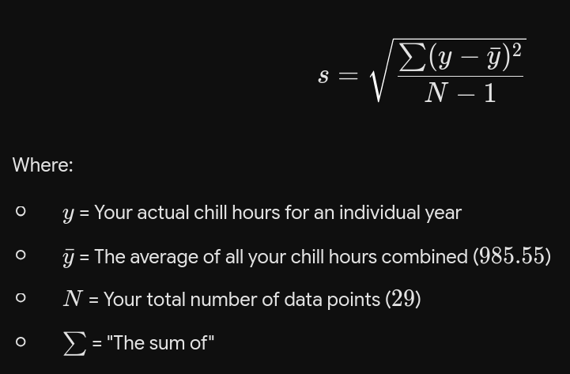
Season | Start year | Utah C Hrs | Average C Hrs | C Hrs Deviation | C Hrs Deviation Squared
1997-1998 | 1997 | 1474 | 985.55 | 488.45 | 238,581.72
1998-1999 | 1998 | 849 | 985.55 | -136.55 | 18,646.37
1999-2000 | 1999 | 862 | 985.55 | -123.55 | 15,265.03
2000-2001 | 2000 | 1017 | 985.55 | 31.45 | 988.99
2001-2002 | 2001 | 778 | 985.55 | -207.55 | 43,077.72
2002-2003 | 2002 | 1146 | 985.55 | 160.45 | 25,743.65
2003-2004 | 2003 | 839 | 985.55 | -146.55 | 21,477.41
2004-2005 | 2004 | 720 | 985.55 | -265.55 | 70,517.72
2005-2006 | 2005 | 1062 | 985.55 | 76.45 | 5,844.34
2006-2007 | 2006 | 824 | 985.55 | -161.55 | 26,098.96
2007-2008 | 2007 | 983 | 985.55 | -2.55 | 6.51
2008-2009 | 2008 | 1052 | 985.55 | 66.45 | 4,415.37
2009-2010 | 2009 | 983 | 985.55 | -2.55 | 6.51
2010-2011 | 2010 | 870 | 985.55 | -115.55 | 13,352.20
2011-2012 | 2011 | 1090 | 985.55 | 104.45 | 10,909.44
2012-2013 | 2012 | 1333 | 985.55 | 347.45 | 120,720.30
2013-2014 | 2013 | 889 | 985.55 | -96.55 | 9,322.24
2014-2015 | 2014 | 1084 | 985.55 | 98.45 | 9,692.06
2015-2016 | 2015 | 827 | 985.55 | -158.55 | 25,138.65
2016-2017 | 2016 | 1020 | 985.55 | 34.45 | 1,186.68
2017-2018 | 2017 | 884 | 985.55 | -101.55 | 10,312.75
2018-2019 | 2018 | 1300 | 985.55 | 314.45 | 98,877.72
2019-2020 | 2019 | 1170 | 985.55 | 184.45 | 34,021.17
2020-2021 | 2020 | 1015 | 985.55 | 29.45 | 867.20
2021-2022 | 2021 | 791 | 985.55 | -194.55 | 37,850.37
2022-2023 | 2022 | 961 | 985.55 | -24.55 | 602.79
2023-2024 | 2023 | 1037 | 985.55 | 51.45 | 2,646.93
2024-2025 | 2024 | 811 | 985.55 | -174.55 | 30,468.30
2025-2026 | 2025 | 910 | 985.55 | -75.55 | 5,708.06

 |  | Average C Hrs |  |  | Sum of Squared C Hrs Deviation
 |  | 985.55172414 |  |  | 882,347.17
 |  |  |  |  | N - 1
 |  |  |  |  | 28.00
 |  |  |  |  | Sum of Squares Divided by N -1
 |  |  |  |  | 31,512.40
 |  |  |  |  | Take the square root
 |  |  |  | Standard Deviation: | 177.52 | Chill Hours
 |  |  |  | Coefficient of Variation: | 18.01% | CV

Linear Regression-Local
Season | Start year | Utah C Hrs | Average Year | Average C Hrs | Yr Deviation | C Hrs Deviation | Deviations Multiplied | Square distance
1997-1998 | 1997 | 1474 | 2011 | 985.55 | -14 | 488.45 | -6,838.28 | 196
1998-1999 | 1998 | 849 | 2011 | 985.55 | -13 | -136.55 | 1,775.17 | 169
1999-2000 | 1999 | 862 | 2011 | 985.55 | -12 | -123.55 | 1,482.62 | 144
2000-2001 | 2000 | 1017 | 2011 | 985.55 | -11 | 31.45 | -345.93 | 121
2001-2002 | 2001 | 778 | 2011 | 985.55 | -10 | -207.55 | 2,075.52 | 100
2002-2003 | 2002 | 1146 | 2011 | 985.55 | -9 | 160.45 | -1,444.03 | 81
2003-2004 | 2003 | 839 | 2011 | 985.55 | -8 | -146.55 | 1,172.41 | 64
2004-2005 | 2004 | 720 | 2011 | 985.55 | -7 | -265.55 | 1,858.86 | 49
2005-2006 | 2005 | 1062 | 2011 | 985.55 | -6 | 76.45 | -458.69 | 36
2006-2007 | 2006 | 824 | 2011 | 985.55 | -5 | -161.55 | 807.76 | 25
2007-2008 | 2007 | 983 | 2011 | 985.55 | -4 | -2.55 | 10.21 | 16
2008-2009 | 2008 | 1052 | 2011 | 985.55 | -3 | 66.45 | -199.34 | 9
2009-2010 | 2009 | 983 | 2011 | 985.55 | -2 | -2.55 | 5.10 | 4
2010-2011 | 2010 | 870 | 2011 | 985.55 | -1 | -115.55 | 115.55 | 1
2011-2012 | 2011 | 1090 | 2011 | 985.55 | 0 | 104.45 | 0.00 | 0
2012-2013 | 2012 | 1333 | 2011 | 985.55 | 1 | 347.45 | 347.45 | 1
2013-2014 | 2013 | 889 | 2011 | 985.55 | 2 | -96.55 | -193.10 | 4
2014-2015 | 2014 | 1084 | 2011 | 985.55 | 3 | 98.45 | 295.34 | 9
2015-2016 | 2015 | 827 | 2011 | 985.55 | 4 | -158.55 | -634.21 | 16
2016-2017 | 2016 | 1020 | 2011 | 985.55 | 5 | 34.45 | 172.24 | 25
2017-2018 | 2017 | 884 | 2011 | 985.55 | 6 | -101.55 | -609.31 | 36
2018-2019 | 2018 | 1300 | 2011 | 985.55 | 7 | 314.45 | 2,201.14 | 49
2019-2020 | 2019 | 1170 | 2011 | 985.55 | 8 | 184.45 | 1,475.59 | 64
2020-2021 | 2020 | 1015 | 2011 | 985.55 | 9 | 29.45 | 265.03 | 81
2021-2022 | 2021 | 791 | 2011 | 985.55 | 10 | -194.55 | -1,945.52 | 100
2022-2023 | 2022 | 961 | 2011 | 985.55 | 11 | -24.55 | -270.07 | 121
2023-2024 | 2023 | 1037 | 2011 | 985.55 | 12 | 51.45 | 617.38 | 144
2024-2025 | 2024 | 811 | 2011 | 985.55 | 13 | -174.55 | -2,269.17 | 169
2025-2026 | 2025 | 910 | 2011 | 985.55 | 14 | -75.55 | -1,057.72 | 196

 | Average Year | Average C Hrs |  |  |  |  | Sum of Multiplied Deviations | Sum of Squared Distance
 | 2011 | 985.55172414 |  |  |  |  | -1,588.00 | 2,030

 |  |  |  |  |  |  | Linear Regression Coefficient | -0.78
 |  |  |  |  |  |  | Slope over time, per year | Chill hours per year

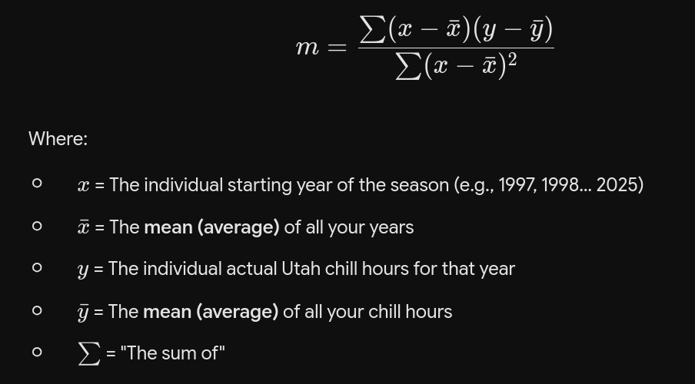

 |  |  |  |  |  |  | does the

vis-graph
Standard D | 177.52

 | 2000 | 2001 | 2002 | 2003 | 2004 | 2005 | 2006 | 2007 | 2008 | 2009 | 2010 | 2011 | 2012 | 2013 | 2014 | 2015 | 2016 | 2017 | 2018 | 2019 | 2020 | 2021 | 2022 | 2023 | 2024 | 2025 | 2030 | 2035 | 2040 | 2045 | 2050 | 2055 | 2060 | 2065 | 2070 | 2075
+2 SD | 1,372 | 1,368 | 1,363 | 1,359 | 1,355 | 1,351 | 1,346 | 1,342 | 1,338 | 1,334 | 1,329 | 1,325 | 1,321 | 1,316 | 1,312 | 1,308 | 1,304 | 1,299 | 1,295 | 1,291 | 1,286 | 1,282 | 1,278 | 1,274 | 1,269 | 1,265 | 1,243 | 1,221 | 1,200 | 1,163 | 1,127 | 1,094 | 1,061 | 1,030 | 1,001 | 973
+1 SD | 1,195 | 1,190 | 1,186 | 1,182 | 1,177 | 1,173 | 1,169 | 1,165 | 1,160 | 1,156 | 1,152 | 1,147 | 1,143 | 1,139 | 1,135 | 1,130 | 1,126 | 1,122 | 1,117 | 1,113 | 1,109 | 1,105 | 1,100 | 1,096 | 1,092 | 1,088 | 1,065 | 1,043 | 1,022 | 985 | 950 | 916 | 884 | 853 | 823 | 795
Utah Chill Hours | 1,017 | 778 | 1,146 | 839 | 720 | 1,062 | 824 | 983 | 1,052 | 983 | 870 | 1,090 | 1,333 | 889 | 1,084 | 827 | 1,020 | 884 | 1,300 | 1,170 | 1,015 | 791 | 961 | 1,037 | 811 | 910 | 888 | 866 | 845 | 808 | 772 | 739 | 706 | 675 | 646 | 618
-1 SD | 839 | 835 | 831 | 827 | 822 | 818 | 814 | 810 | 805 | 801 | 797 | 792 | 788 | 784 | 780 | 775 | 771 | 767 | 762 | 758 | 754 | 750 | 745 | 741 | 737 | 732 | 710 | 688 | 667 | 630 | 595 | 561 | 529 | 498 | 468 | 440
-2 SD | 662 | 658 | 653 | 649 | 645 | 641 | 636 | 632 | 628 | 623 | 619 | 615 | 611 | 606 | 602 | 598 | 593 | 589 | 585 | 581 | 576 | 572 | 568 | 564 | 559 | 555 | 533 | 511 | 490 | 453 | 417 | 384 | 351 | 320 | 291 | 263
 |  |  |  |  |  |  |  |  |  |  |  |  |  |  |  |  |  |  |  |  |  |  |  |  |  |  |  |  |  |  |  |  |  |  |  |  | -0.48966666667 | per yr until 2040
 |  |  |  |  |  |  |  |  |  |  |  |  |  |  |  |  |  |  |  |  |  |  |  |  |  |  |  |  |  |  |  |  |  |  |  |  | -2.4483333333 | per 5 years
 |  |  |  |  |  |  |  |  |  |  |  |  |  |  |  |  |  |  |  |  |  |  |  |  |  |  |  |  |  |  |  |  |  |  |  |  | 97.551666667

 |  |  |  |  |  |  |  |  |  |  |  |  |  |  |  |  |  |  |  |  |  |  |  |  |  |  |  |  |  |  |  |  |  |  |  |  | -0.875 | 2040+
 |  |  |  |  |  |  |  |  |  |  |  |  |  |  |  |  |  |  |  |  |  |  |  |  |  |  |  |  |  |  |  |  |  |  |  |  | -4.375 | per 5 years

